2026-03 SAC record
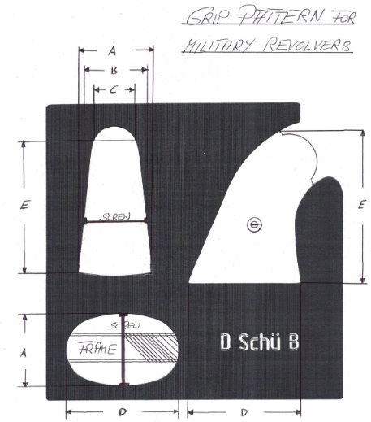
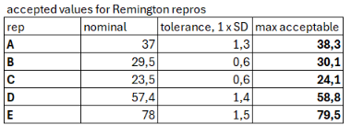

 |  | MLAIC
 |  | Small Arms Comittee Report
 |  | Email: | sac@mlaic.com
 |  | Web: | http://mlaic.org/approved-makers-firearms/

Inquiery data: |  |  |  | Decision:
Name | Gerhard Lang |  |  |  | Date | Approval
Date |  |  |  |  |  | Yes | No
Email | sac@mlaic.org |  |  | SAC |  | X
Discipline | Revolver Repros |  |  | Commission
Rep. No. | 2026-0 |  |  | SG

 |  |  |  | answer
 |  |  |  | yes | no | no opinion | no answer
 | Bernard Collot (France) Chairman
 | Leo Mertens (The Netherlands)
 | Robert Szuppin (Austria)
 | Peter Kanzler (Austria)
 | Jari Janhunen (Finland)
 | Balázs Nemeth (Hungary)
 | José Pairaló Grabuloso (Spain)
 | Paul Wolpe (United Kingdom)
 | Mike McDaniel (USA)
 | Lee Shaver (USA)
 | Christian Müller (Switzerland)
 |  | counts |  | 0 / 11 | 0 / 11 | 0 / 11 | 0 / 11

Question
which dimension are existing on repro and original revolvers ?
which dimension is acceptable ?

SAC answer
no vote was required, because it is only a record of dimensions took placeon European championship, conducted by Gerhard Lang and a help of Bernard.
you will find the dimension as measured for all makers we found out.

here under is a close analysis on remingtion grips, possible because we had enough samples. General tolerance is one time the standard deviation. Dimensions are metric in mm.
for other makers, we do not have enough data to make such. Dimensions shall be used to appreciate compliance with originals

control drawing
